AE.000239
dcr
DATE | 2025-05-10 |  |  | WASH:CODE |  | AE.000239
FINISHER:CODE |  |  |  |  |  | DRYPROCESS.AND WET PROCES
MODEL:CODE
SAP CODE | AEMNO11156
FABRIC:CODE | DNM:FLOKI.SHINY.BLUE
QUANTITY | 1 PCS
ROLL:CODE | ROLL:115223
FAB. WEIGHT
UNITS
TYPE MACHINE
DRYING TIME (Min.) :
COMMENTS: | FREE DV
PAGE | DARK |  |  | WASH:SUPERVISOR:MODA
 | E | of | 1 |  |  |  | Supplier | PH Value
ACTION | TIME | TEMP | Liters | AMT | UNITS | Chemicals
DESIZE | WASH ASPER FOTO

WASH TINT |  | 40 |  |  | M/L | BROWN GGL
 |  |  |  |  | M/L | BROWN BL
RINSE X2 |  |  |  |  | GRM | SALT

WASH FIX |  | 45 |  |  | GRM | ROYA-FIX FIX
RINSE X1 | 1 | 50 |  |  | GRM | A.ACID. PH/6
EXTRACT&DRY

WHISKERS
HAND SAND
TACKING
STONE BOX NET

RINSEX1 | 1 | 50
DRAIN

WATER FREE ENZYME WASHING |  |  | 10 | 30 | GRM | LAVA CELL NSY
 |  |  |  | 5 | K/G | NEW STONE
 |  |  |  | 200 | GRM | KKT POWDER
 | STONE BOX NET OUT
WATER FREE ENZYME WASHING |  |  | 10 | 30 | GRM | LAVA CELL NSY
 |  |  |  | 5 | K/G | NEW STONE
RINSE | 2 | RT |  | 200 | GRM | KKT POWDER

CLEAN UP |  | 50 |  |  | GRM | PEROXIDE
RINSE | 2 | RT |  |  | GRM | NEAR CAND OP EXTRA

EXTRACT&DRY
HYPO/PP SPRAY |  |  |  | 5 | GRM | PERMENGANATE
 |  |  |  | 200 | GRM | HYPO
 |  |  |  | 800 | GRM | WATER

NEUTRALIZATION | 5 | RT |  |  | GRM | ROYACTIVEX KS
RINSE | 2 | RT

BIOPOLISHING |  | 55 |  |  | GRM | LAVA CELL BNG
 |  |  |  |  | GRM | A.ACID. PH/55
RINSE | 2 | RT

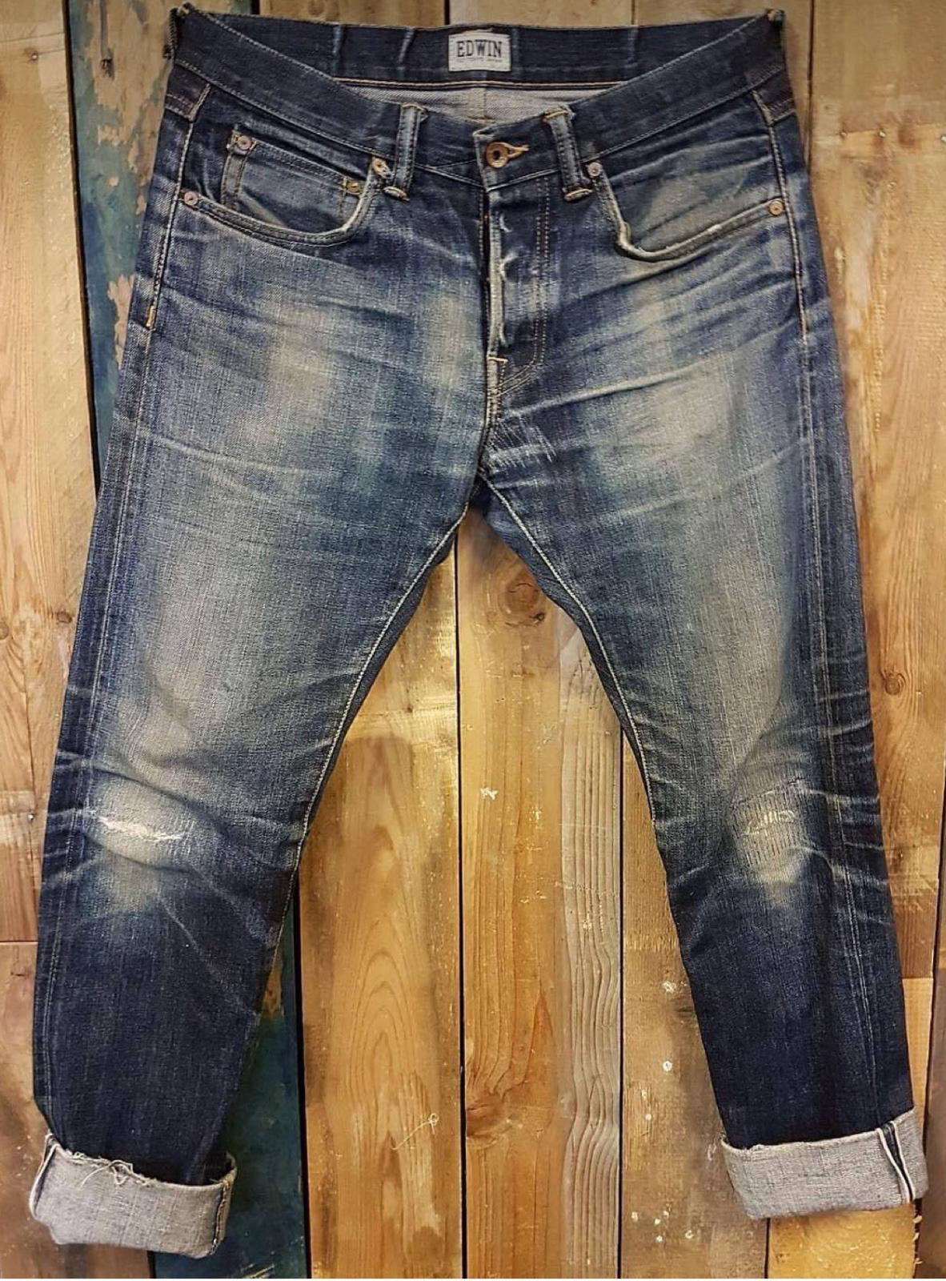
WASH SOFT |  | RT |  |  | GRM | NEARSopht/WO3
EXTRACT&DRY |  |  |  |  | GRM | A.ACID. PH/5

